BVTs
S no | Feature | BVT | Steps | Output | Power BI Desktop | Internet Explorer | Edge | Chrome
1 | Data fields | Visual should be rendered when one column is dragged onto Measures data field | 1. Drag one measure column onto Measures data field | Visual should be rendered for that measure | 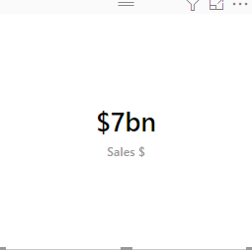 | 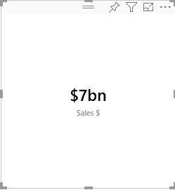 | 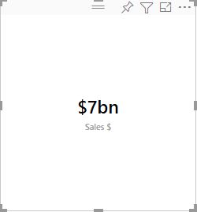 | 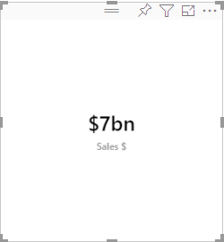
 |  | Visual should be rendered when three columns are dragged onto Measures data field | 1. Drag measure columns onto Measures data field 2. Click near the data label in the visual and check whether data for the three columns are displayed one by one | Visual should be rendered for all the three measure | 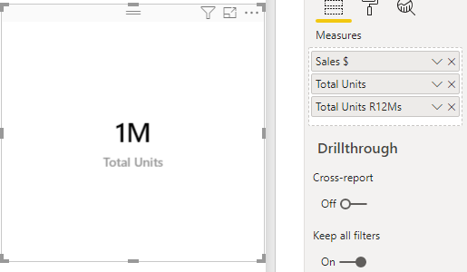 | 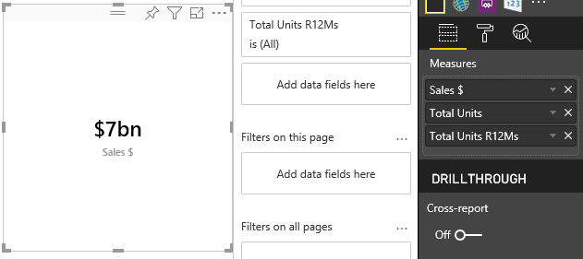 | 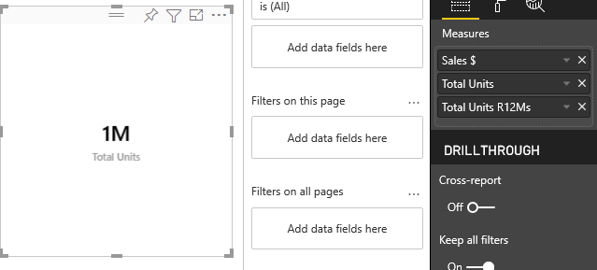 | 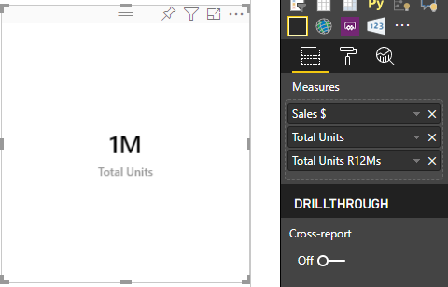
2 | Vertical Flip | Update the visual to Flip the data labels in vertical direction | 1. Go to formatting pane 2. Go to Vertical Flip 3. Update the vertical flip button to 'ON' | Data labels should be flipped in the vertical direction | Pass | Pass | Pass | Pass
 |  | Update the visual to Flip the data labels in horizontal direction | 1. Go to formatting pane 2. Go to Vertical Flip 3. Update the vertical flip button to 'OFF' | Data labels should be flipped in the horizontal direction | Pass | Pass | Pass | Pass
3 | 3D effect | Update the visual to show 3D effect | 1. Go to formatting pane 2. Go to 3D effect 3. Update the 3D effect button to 'ON' | 3D effect should be visible | 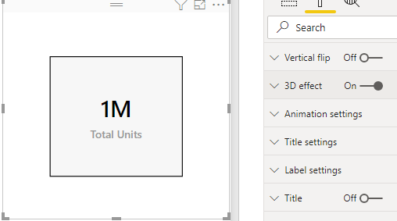 | 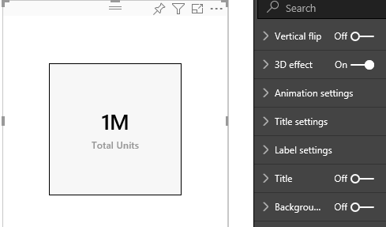 | 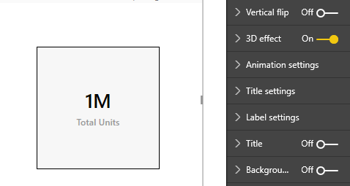 | 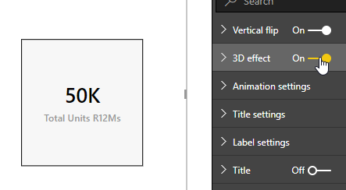
 |  | Update background color of 3D effect region | 1. Go to formatting pane 2. Go to 3D effect 3. Update the Background color to 'Red' | Background color of 3D effect region should be updated to 'Red' | 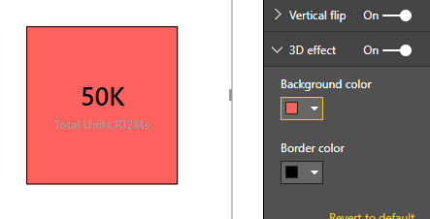 | 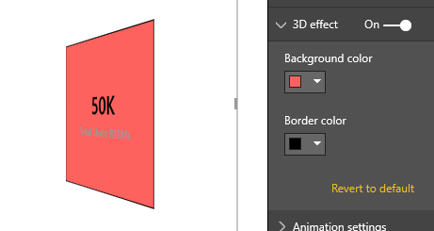 | 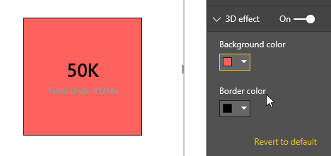 | 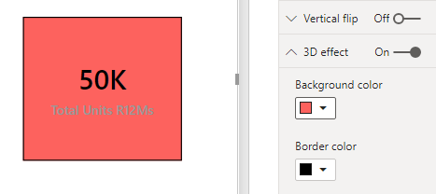
 |  | Update border color of 3D effect region | 1. Go to formatting pane 2. Go to 3D effect 3. Update the border color to 'Blue' | Border color of 3D effect region should be updated to 'Blue' | 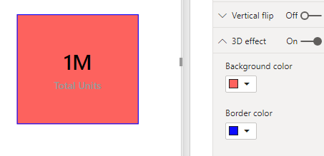 | 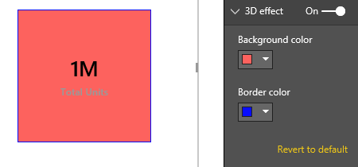 | 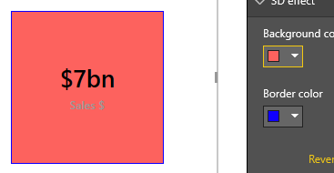 | 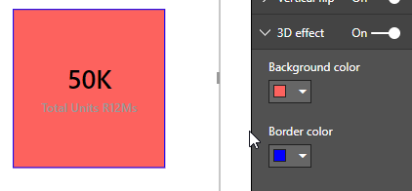
4 | Animation settings | Update animation delay time | 1. Go to formatting pane 2. Go to Animation settings 3. Change Delay value to 6 | Animation delay should be updated to 6 | 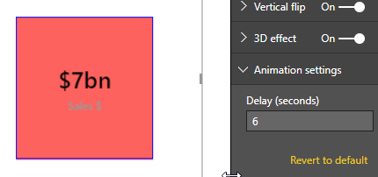 | 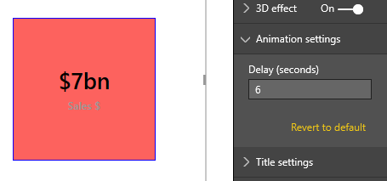 | 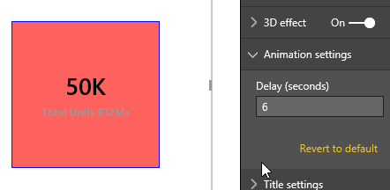 | 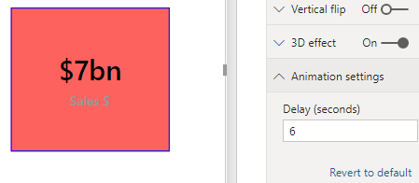
5 | Title settings | Update title color | 1. Go to formatting pane 2. Go to Title settings 3. Update title color to 'Green' | Title color should be changed to 'Green' | 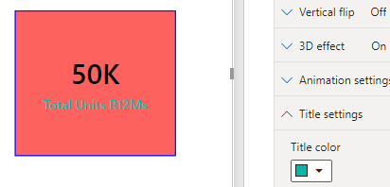 | 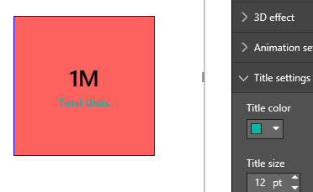 | 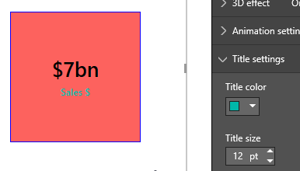 | 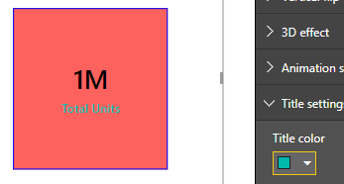
 |  | Update title size | 1. Go to formatting pane 2. Go to Title settings 3. Update title size value to 17 | Title size value should be updated to 17 | 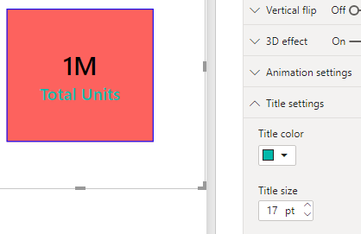 | 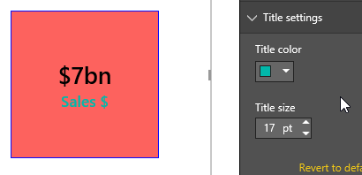 | 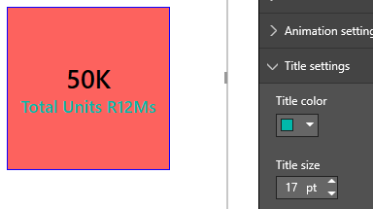 | 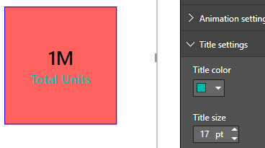
6 | Label settings | Update label color | 1. Go to formatting pane 2. Go to Label settings 3. Update the Label color to 'Blue' | Label color should be updated to 'Blue' | 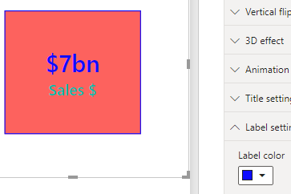 | 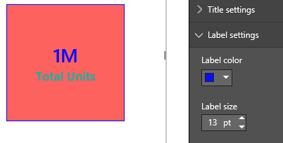 | 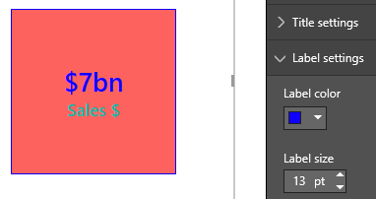 | 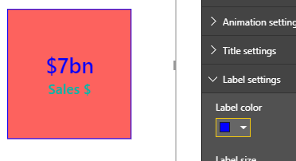
 |  | Update label size | 1. Go to formatting pane 2. Go to Label settings 3. Update Label size value to 17 | Label size value should be updated to 17 | 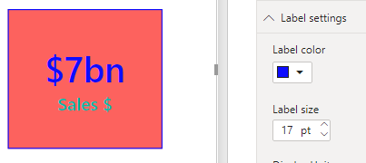 | 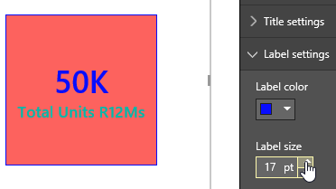 | 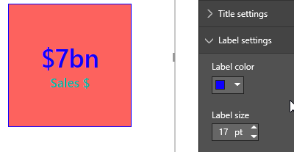 | 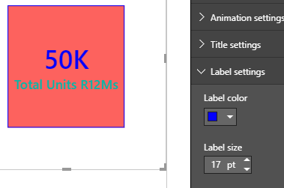
 |  | Update Display Units and Decimal Places | 1. Go to formatting pane 2. Go to Label settings 3. Update the Display units value to Billions 4. Update the Decimal places value to 2 | Text will be formatted in Billions with precision 2 | 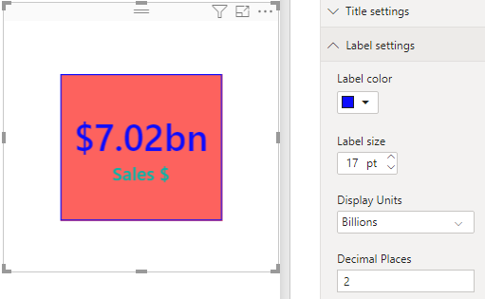 | 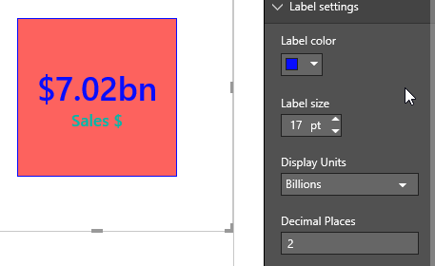 | 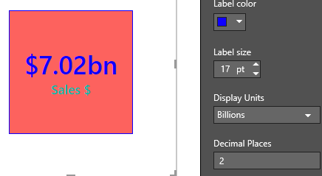 | 